Sheet1
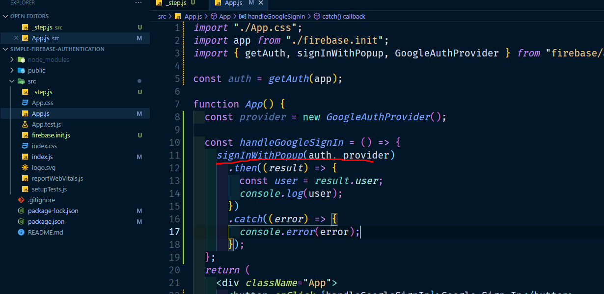
10. use signWithPopup and pass auth and provider

